Report
Commited Investment in Exploration and Production Contracts
February 2019
Commited Investment in the Minimum Work Programs of Exploration and Production Contracts is for a total of US$4.158 billion.

Round
Commited Investment in Minimum Work Programs (MWP) of Exploration and Production Contracts
 | Commited investment (mmUSD)
Farmouts | 192
Rounds | 1,821
Rounds | 1,448
Farmouts | 14
Rounds | 597
Migrations | 85

Basin
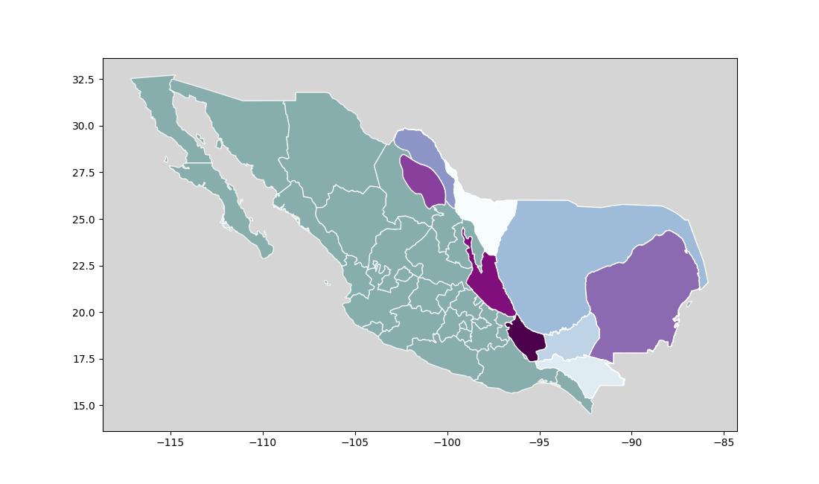
Deep Gulf of Mexico
Burgos
Tampico- Misantla
Veracruz
Southeast
Basin
22
298
Legend
Wells
Commited investment (Million USD)

33
2,013
33
2,013

7
129

63
1,656
6
61

Source: National Hydrocarbons Commission
Note: The Minimum Work Program is expressed in work units and the corresponding amount in dollars, referencing contract terms and values in dollars per unit of work defined at the date of contract awarding. In the case of contract migrations, figures do not include Ek-Balam and Santuario - El Golpe. Bidders did not commit to wells during the Bid Submission and Opening. The increase in the Minimum Work Program was offered as an overall percentage, which can be fulfilled by different activities established in the Contract.

